Descriptive Statistics
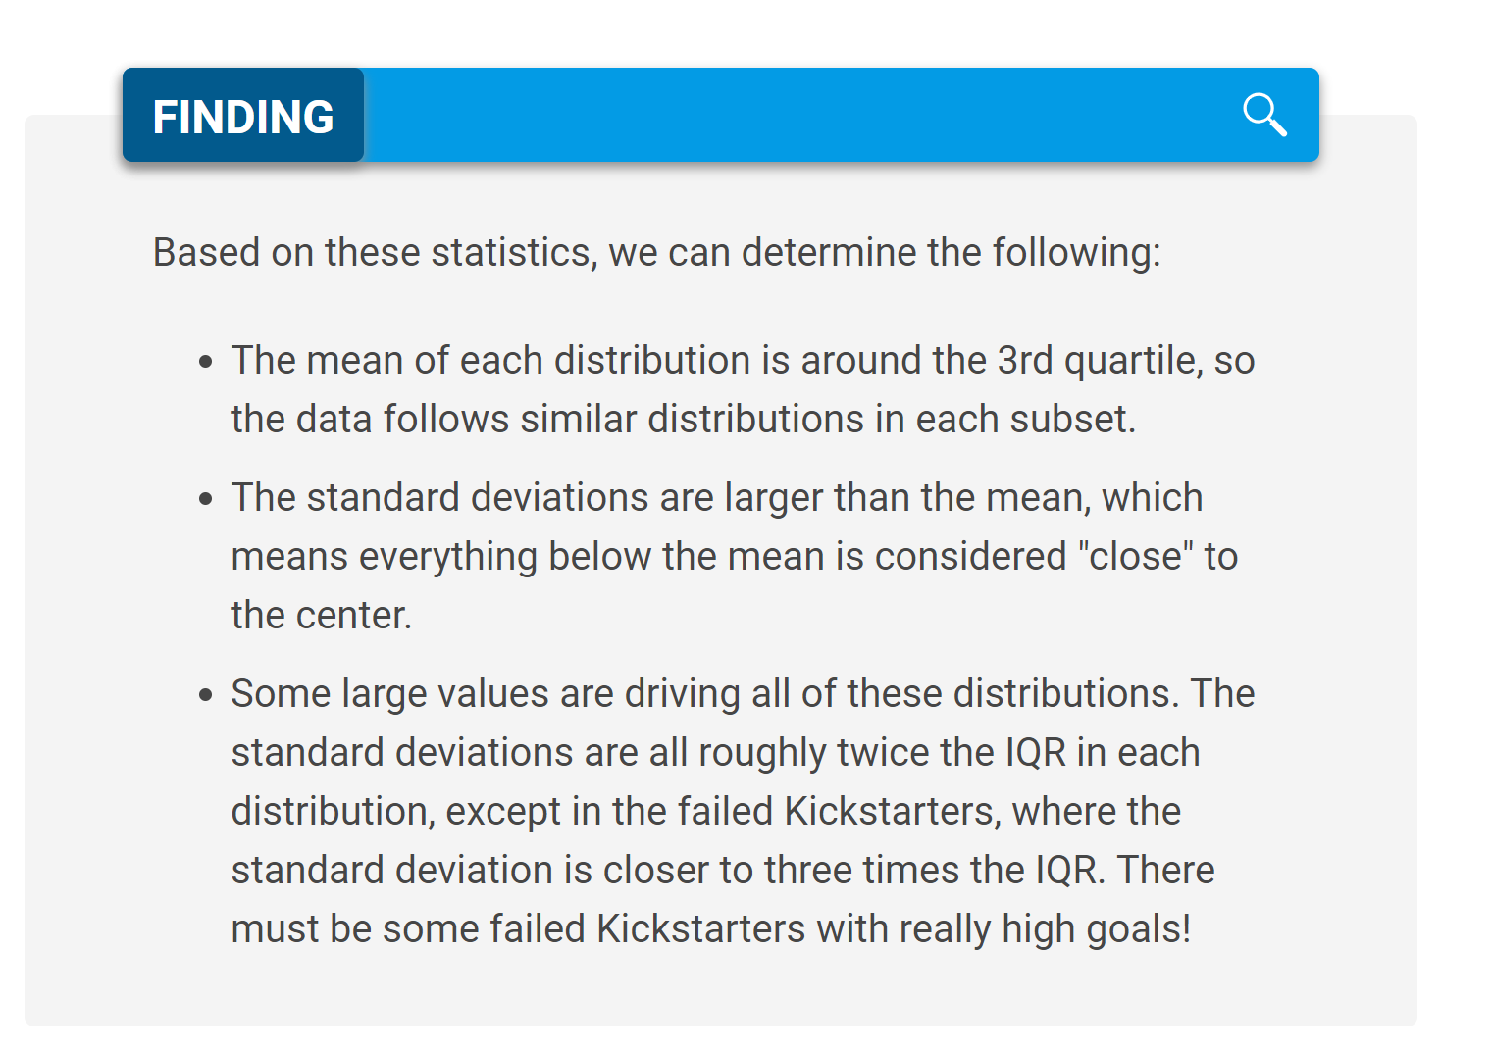
 | Successful | Failed
Mean Goal | $5,049 | $10,554
Median Goal | $3,000 | $5,000
Standard Deviation of Goal | $7,749 | $21,968
Upper Quartile of Goal | $5,000 | $10,000
Lower Quartile of Goal | $1,500 | $2,000
IQR of Goal | $3,500 | $8,000

Mean Pledged | $5,602 | $559
Median Pledged | $3,168 | $103
Standard Deviation of Pledged | $8,335 | $1,331
Upper Quartile of Pledged | $5,699 | $501
Lower Quartile of Pledged | $1,717 | $9
IQR of Pledged | $3,982 | $492

Vlookup and Notes
Name | blurb | Goal | Pledged
Be Prepared | Help us get actor-writer Ian Bonar's debut play - a hilarious, heartbreaking story of grief and loss - to the 2016 Edinburgh Fringe. | $2,000.00 | $2,020.00 | Central tendency refers to the tendency of data to be toward the middle of the dataset.
Checkpoint 22 | The play yet to be described as "A surefire Edinburgh Fringe Festival Cult Hit". Coming to the Underbelly, Edinburgh, 5th-30th August. | $2,000.00 | $2,020.00 |  | mean | sum of the data divided by the number of data points.
Cutting Off Kate Bush | Cutting Off Kate Bush is a one-woman show written & performed by Lucy Benson-Brown, premiering at the Edinburgh Fringe Festival 2014 | $1,500.00 | $2,576.00 |  | median | the median is the value that splits the data into two equal halves: 50% of the data is lower than the median, and 50% of the data is higher.
Jestia and Raedon | Jestia and Raedon is a brand new romantic comedy play going to the Edinburgh Fringe Festival this summer. | $1,000.00 | $1,168.00 |  | mode | answers the question "What value shows up the most?"
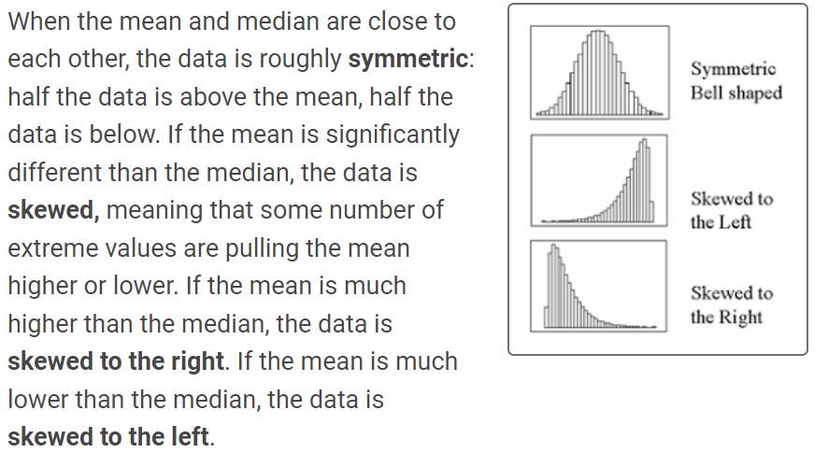
The Hitchhiker's Guide to the Family | A one-man show about love, loss, and motorways, written & performed by Ben Norris. Help us get to the 2015 Edinburgh Fringe and beyond! | $4,000.00 | $4,137.00

 |  |  |  | Range | The range is the difference between the maximum value of the dataset and the minimum value of the dataset.

Tabla dinámica 3
canceled, failed, live and successful

Subcategory
canceled, failed, live and successful

Tabla dinámica 1
canceled, failed, live and successful

